Sheet1
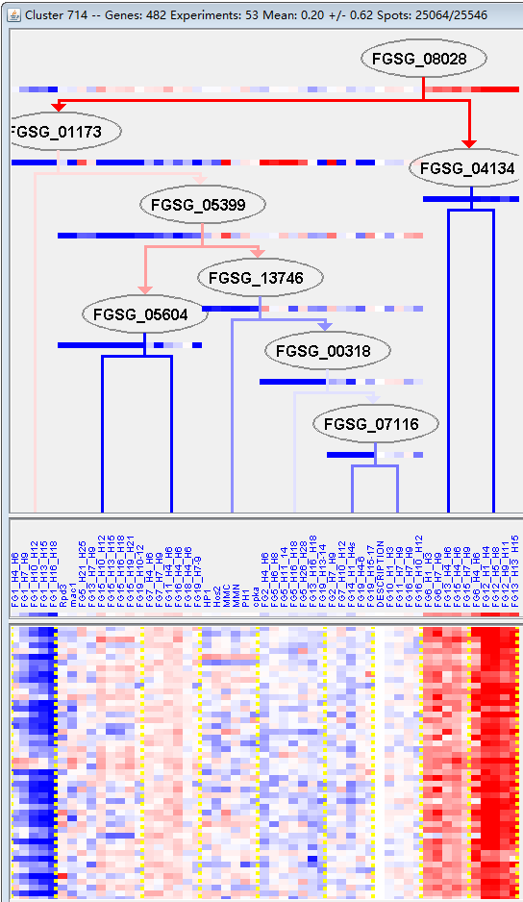
k | Filter | FUNCTIONAL CATEGORY | abs SET | rel SET | genes SET | abs GENOME | rel GENOME | rel SET/rel GENOME | P-VALUE | Bonferroni_corr | FDR
32.05.01 resistance proteins | 10 | 2.37 | FGSG_00132 FGSG_01302 FGSG_03208 FGSG_03204 FGSG_02865 FGSG_12613 FGSG_07036 FGSG_08027 FGSG_09759 FGSG_11504 | 172 | 1.24 | 1.9112903226 | 0.037785412507
32.07.05 detoxification by export | 9 | 2.13 | FGSG_01302 FGSG_03208 FGSG_03055 FGSG_02865 FGSG_04774 FGSG_12613 FGSG_07036 FGSG_08027 FGSG_11504 | 139 | 1 | 2.13 | 0.026318435573
99 UNCLASSIFIED PROTEINS | 338 | 80.2 | FGSG_00003 FGSG_00063 FGSG_00079 FGSG_00089 FGSG_11674 FGSG_00128 FGSG_00131 FGSG_00135 FGSG_00216 FGSG_11713 FGSG_11715 FGSG_11722 FGSG_00242 FGSG_00254 FGSG_11746 FGSG_11758 FGSG_00384 FGSG_11761 FGSG_11763 FGSG_11769 FGSG_00479 FGSG_00516 FGSG_11790 FGSG_00668 FGSG_11809 FGSG_11817 FGSG_00733 FGSG_11823 FGSG_00770 FGSG_11841 FGSG_11871 FGSG_00980 FGSG_11901 FGSG_01140 FGSG_01143 FGSG_11910 FGSG_01474 FGSG_11960 FGSG_01565 FGSG_01566 FGSG_01598 FGSG_01626 FGSG_01718 FGSG_01776 FGSG_01793 FGSG_01860 FGSG_01979 FGSG_12055 FGSG_02020 FGSG_02086 FGSG_12071 FGSG_02172 FGSG_02179 FGSG_12083 FGSG_02182 FGSG_02183 FGSG_02194 FGSG_02241 FGSG_02243 FGSG_12103 FGSG_02338 FGSG_02359 FGSG_02361 FGSG_02370 FGSG_02487 FGSG_02514 FGSG_12152 FGSG_12155 FGSG_02537 FGSG_02587 FGSG_02619 FGSG_02620 FGSG_11514 FGSG_11531 FGSG_11538 FGSG_11539 FGSG_11547 FGSG_14017 FGSG_14021 FGSG_04685 FGSG_04674 FGSG_04646 FGSG_12210 FGSG_04624 FGSG_04623 FGSG_12228 FGSG_04533 FGSG_12244 FGSG_04503 FGSG_04495 FGSG_04493 FGSG_04469 FGSG_12253 FGSG_04206 FGSG_12294 FGSG_12310 FGSG_04011 FGSG_12332 FGSG_12343 FGSG_03871 FGSG_03868 FGSG_12362 FGSG_03866 FGSG_03864 FGSG_12364 FGSG_12391 FGSG_03724 FGSG_03723 FGSG_03691 FGSG_03690 FGSG_03549 FGSG_03527 FGSG_12422 FGSG_03446 FGSG_03423 FGSG_12453 FGSG_12462 FGSG_12479 FGSG_12480 FGSG_12486 FGSG_03193 FGSG_12494 FGSG_12515 FGSG_12517 FGSG_12520 FGSG_03050 FGSG_03021 FGSG_03013 FGSG_02973 FGSG_12542 FGSG_02957 FGSG_12553 FGSG_02916 FGSG_12556 FGSG_02889 FGSG_02857 FGSG_02836 FGSG_02827 FGSG_12579 FGSG_04707 FGSG_04712 FGSG_04726 FGSG_04789 FGSG_04792 FGSG_04800 FGSG_12625 FGSG_12631 FGSG_12640 FGSG_04855 FGSG_04861 FGSG_04954 FGSG_04959 FGSG_04961 FGSG_05017 FGSG_05118 FGSG_12695 FGSG_05185 FGSG_05283 FGSG_05289 FGSG_12708 FGSG_12716 FGSG_12718 FGSG_12720 FGSG_05445 FGSG_12740 FGSG_05528 FGSG_12770 FGSG_12778 FGSG_05715 FGSG_12802 FGSG_05815 FGSG_12824 FGSG_12828 FGSG_12870 FGSG_12877 FGSG_12888 FGSG_12891 FGSG_12893 FGSG_12910 FGSG_12914 FGSG_06471 FGSG_0647 | 7238 | 52.3 | 1.5334608031 | 9.27E-34

32.05.01抗性蛋白
32.07.05解毒输出
99未分类的蛋白质

